Contents
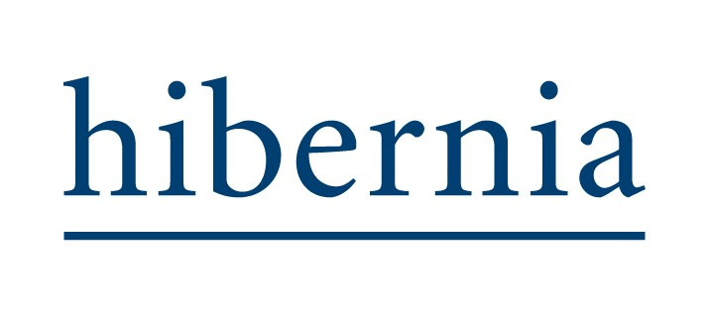

ESG 2023 Databook

Contents
1 | Summary
2 | Basis of reporting
3 | Managed office and residential portfolio - landlord controlled
4 | Managed office portfolio - landlord controlled
5 | Managed offices - whole building (landlord and occupier)
6 | Residential - landlord controlled
7 | Corporate office
8 | Greenhouse gas emissions summary
9 | Building certifications
10 | TCFD metrics
11 | Social and Governance

3
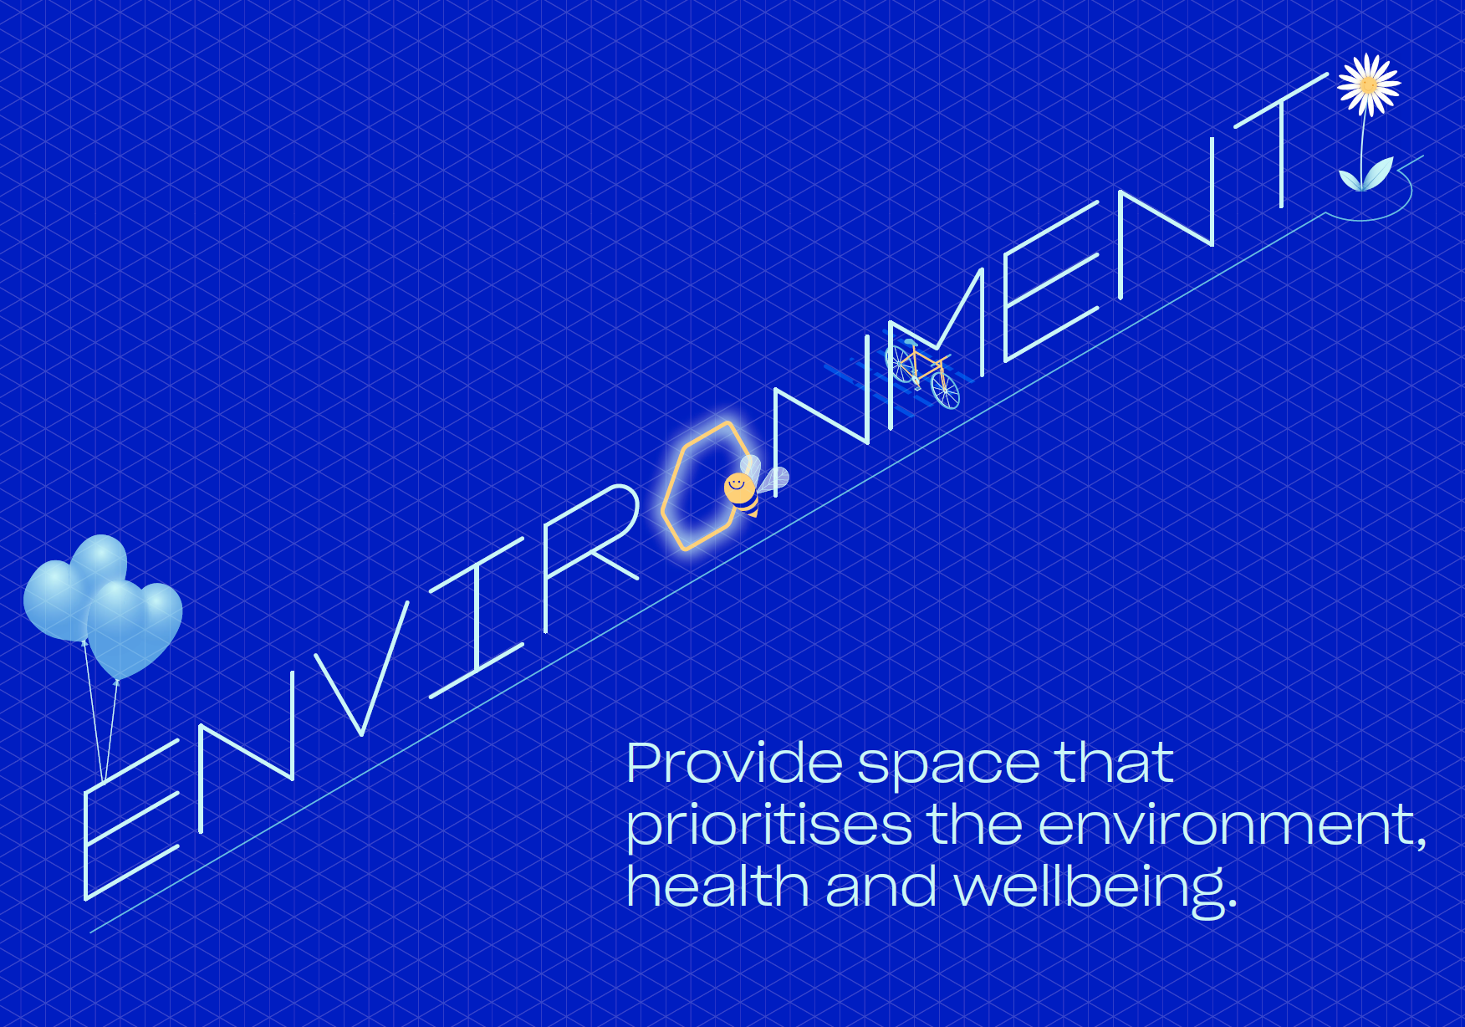

 |  | ESG 2023 Databook

Managed office and residential portfolio - landlord controlled

Indicator | Code | GRI standard | Measurement | 2023 | 2022 | Change
Total electricity consumption | Elec-Abs | 302-1 | kWh | 2,614,845 | 2,699,814 | -3%
Like-for-like electricity consumption | Elec-LFL | 302-1 | kWh | 2,614,845 | 2,699,814 | -3%
Total energy consumption from fuel | Fuels-Abs | 302-1 | kWh | 3,167,982 | 3,539,037 | -10%
Like-for-like consumption from fuel | Fuels-LFL | 302-1 | kWh | 3,167,982 | 3,539,037 | -10%
Direct GHG emissions (total) Scope 1 | GHG-Dir-Abs | 305-1 | tCO2e | 538 | 601 | -10%
Indirect GHG emissions (total) Scope 2 | GHG-Indir-Abs | 305-2 | tCO2e (location based) | 813 | 852 | -5%
Total water consumption | Water-Abs | 303-5 | m3 | 8,487 | 6,905 | 23%
Like-for-like water consumption | Water-LFL | 303-5 | m3 | 8,487 | 6,905 | 23%
Waste (total) | Waste-Abs | 306-4 | tonnes | 272 | 275 | -1%
Like-for-like waste (total) | Waste-LFL | 306-4 | tonnes | 272 | 275 | -1%

11
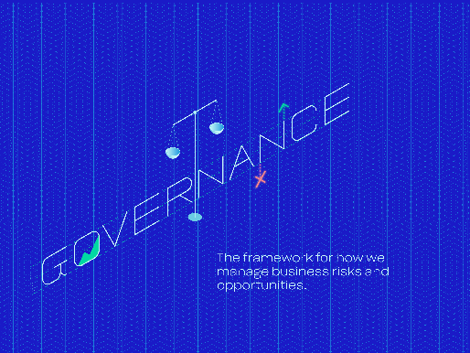

 |  |  | ESG 2023 Databook

Social and Governance

Indicator | Code | Scope | GRI standard | Unit of measurement | 2023 | 2022 | Change | Coverage
Gender - diversity | Diversity-Emp | Corporate operations | 405-1 | % of female employees | 39% | 34% | 14% | 100%
 |  | Corporate operations |  | % of female employees at senior levels | 22% | 13% | 71% | 100%
Gender - pay | Diversity-Pay | Corporate operations | 405-2 | Ratio of male to female pay | 150% | 187% | -20% | 100%
 |  | Corporate operations |  | Ratio of male to female pay at senior levels | 120% | 139% | -14% | 100%
Gender - age distribution |  | Corporate operations |  | % all staff 0-30 years of age | 10% | NA | NA | 100%
 |  | Corporate operations |  | All staff 0-30 years of age - male | 1 | NA | NA | 100%
 |  | Corporate operations |  | All staff 0-30 years of age - female | 2 | NA | NA | 100%
 |  | Corporate operations |  | % Senior Management 0-30 years of age | 0 | NA | NA | 100%
 |  | Corporate operations |  | Senior Management 0-30 years of age - male | 0 | NA | NA | 100%
 |  | Corporate operations |  | Senior Management 0-30 years of age - female | 0 | NA | NA | 100%
 |  | Corporate operations |  | % staff 31-50 years of age | 61% | NA | NA | 100%
 |  | Corporate operations |  | All staff 31-50 years of age - male | 14 | NA | NA | 100%
 |  | Corporate operations |  | All staff 31-50 years of age - female | 5 | NA | NA | 100%
 |  | Corporate operations |  | % Senior Management 31-50 years of age | 78% | NA | NA | 100%
 |  | Corporate operations |  | Senior Management 31-50 years of age - male | 5 | NA | NA | 100%
 |  | Corporate operations |  | Senior Management 31-50 years of age - female | 2 | NA | NA | 100%
 |  | Corporate operations |  | % staff 51 plus years of age | 29% | NA | NA | 100%
 |  | Corporate operations |  | All staff 51 plus years of age - male | 4 | NA | NA | 100%
 |  | Corporate operations |  | All staff 51 plus years of age - female | 5 | NA | NA | 100%
 |  | Corporate operations |  | % Senior Management 51 plus years of age | 22% | NA | NA | 100%
 |  | Corporate operations |  | Senior Management 51 plus years of age - male | 2 | NA | NA | 100%
 |  | Corporate operations |  | Senior Management 51 plus years of age - female | 0 | NA | NA | 100%
Training and development | Emp-Training | Corporate operations | 404-1 | Average hours per annum | 35 | 20 | 74% | 100%
Performance appraisals | Emp-Dev | Corporate operations | 404-3 | % of employees | 84% | 83% | 1% | 100%
New hires | Emp-Turnover | Corporate operations | 401-1 | Total number | 3 (2:1 female to male) | 4 (3:1 female to male) | 20% | 100%
 |  | Corporate operations | 401-1 | Rate | 10% | 11% | -12% | 100%
Turnover | Emp-Turnover | Corporate operations | 401-1 | Total number | 8 (2:6 female to male) | 4 (2:2 female to male) | – | 100%
 |  | Corporate operations | 401-1 | Rate | 26% | 11% | 135% | 100%
Injury rate | H&S-Emp | Corporate operations | 403-9 | per x hours works | 0 | 0 | – | 100%
Lost day rate |  | Corporate operations |  | per x hours works | 0 | 0 | – | 100%
Absentee rate |  | Corporate operations |  | % of total days scheduled to work | 0.74% | 0.42% | 77% | 100%
Fatalities |  | Corporate operations |  | Total number | 0 | 0 | – | 100%
H&S impact assessments | H&S-Asset | Office portfolio | 416-1 | % of assets | 100% | 100% | – | 100%
 |  | Residential portfolio |  |  | 100% | 100% | – | 100%
Number of incidents | H&S-Comp | Office portfolio |  | Total number | No instances of non-compliance | No instances of non-compliance | – | 100%
 |  | Residential portfolio |  |  | No instances of non-compliance | No instances of non-compliance | – | 100%
Employee health and wellbeing |  | Corporate operations |  | No. health and wellbeing events | 13 | NA | NA | 100%
ABC - instances |  | Corporate operations |  | Total number | No instances of non-compliance | NA | NA | 100%
ABC - employee training |  | Corporate operations |  | Average hours per annum | 2.6 | NA | NA | 100%
Cyber security - employee training |  | Corporate operations |  | Average hours per annum | 0.9 | NA | NA | 100%
Community programmes | Comty-Eng | Office portfolio | 413-1 | % of assets | 71% | 44% | 62% | 100%
 |  | Residential portfolio |  |  | 0 | 0 | 0 | 100%
Occupier satisfaction |  | Office portfolio |  | Net Promoter Score | 44 | NA | NA | 100%

